Biofuel use
 | 2010 | 2011 | 2012 | 2013 | 2014 | 2015 | 2016 | 2017 | 2018
Biogasoline blending | 0.039 | 0.056 | 0.057 | 0.065 | 0.066 | 0.068 | 0.064 | 0.066 | 0.065
Biodiesel blending | 0.006 | 0.012 | 0.018 | 0.021 | 0.021 | 0.02 | 0.021 | 0.025 | 0.025

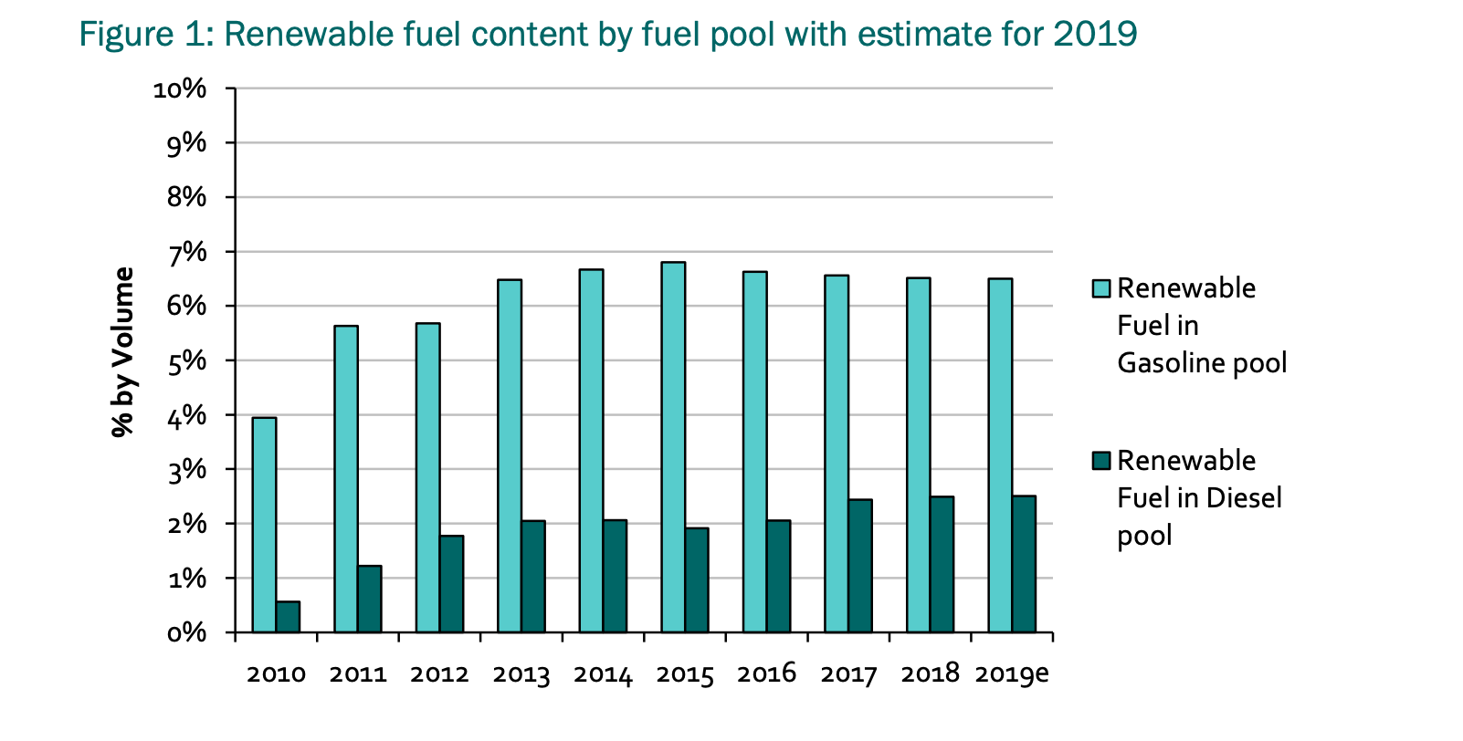

2010-2017 pulled from graph using web tool
2018 included in report

